BLS Data Series
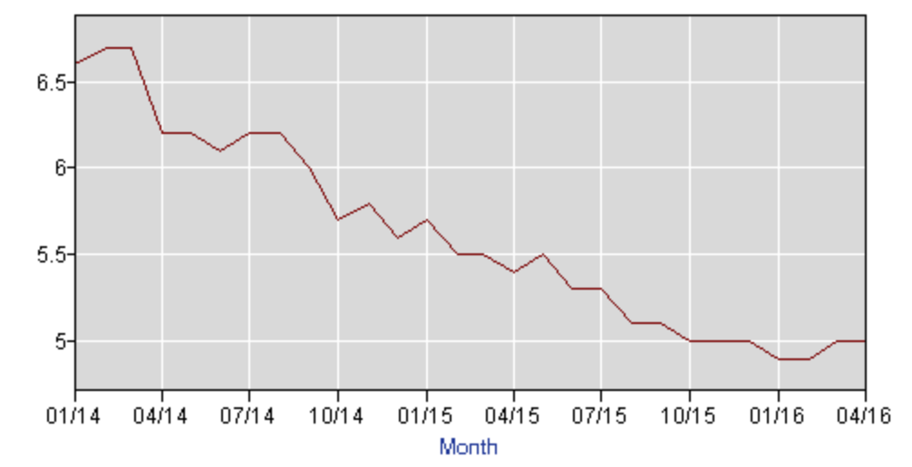
Labor Force Statistics from the Current Population Survey
Original Data Value

Series Id: | LNS14000000
Seasonally Adjusted
Series title: | (Seas) Unemployment Rate
Labor force status: | Unemployment rate
Type of data: | Percent or rate
Age: | 16 years and over
Years: | 2014 to 2016

Year | Jan | Feb | Mar | Apr | May | Jun | Jul | Aug | Sep | Oct | Nov | Dec | Annual
2014 | 6.6 | 6.7 | 6.7 | 6.2 | 6.2 | 6.1 | 6.2 | 6.2 | 6.0 | 5.7 | 5.8 | 5.6
2015 | 5.7 | 5.5 | 5.5 | 5.4 | 5.5 | 5.3 | 5.3 | 5.1 | 5.1 | 5.0 | 5.0 | 5.0
2016 | 4.9 | 4.9 | 5.0 | 5.0

